Example 1-Product Mix
Linear Programming Lecture Example 1.
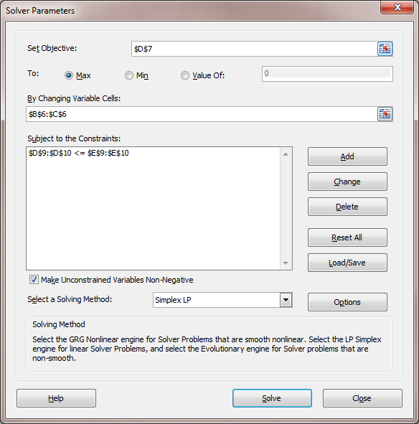
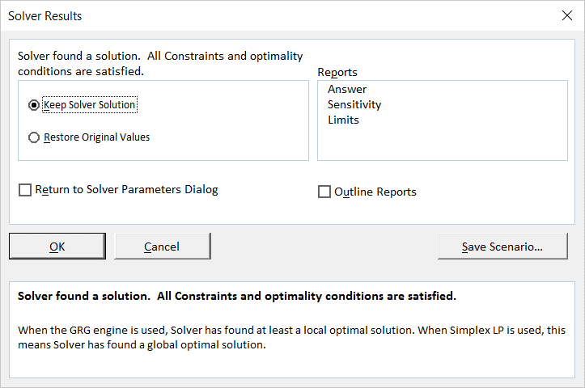
Product Mix.

Variables | Tables | Chairs | Values
Values | 4 | 9 | Max
Profit | 6 | 8 | 96 |  | <-- D7=B6*B7+C6*C7
subject to |  |  | LHS | RHS
Wood) | 30 | 20 | 300 | 300 | <-- D9=B6*B9*C6*C9
Labor) | 5 | 10 | 110 | 110 | <-- D10=B6*B10+C6*C10

Graphing Values
 | T | C |  | T | C
Wood: | 10 | 0 | Labor: | 22 | 0
 | 0 | 15 |  | 0 | 11
 | 4 | 9 |  | 4 | 9

Exercise 1
Linear Programming Lecture Exercise 1.
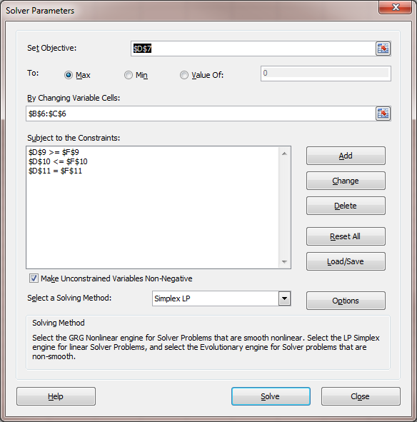
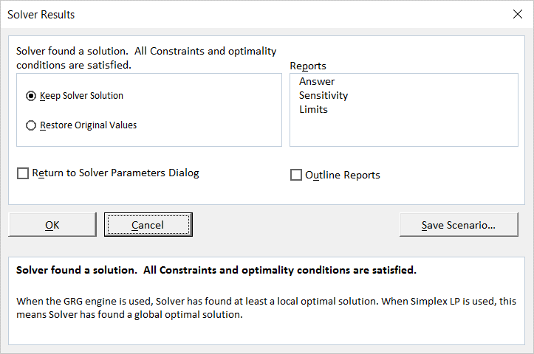

Variables | X | Y
Values | 6 | 3 | Max
O.F. | 10 | 4 | 72
subject to |  |  | LHS | Dir | RHS
C1 | 2 | 1 | 15 | >= | 10
C2 | 1 | 2 | 12 | <= | 12
C3 | 1 | -2 | 0 | = | 0

Graphing Values
 | X | Y
C1 | 5 | 0
 | 0 | 10
C2 | 12 | 0
 | 0 | 6
C3 | 0 | 0
 | 12 | 6

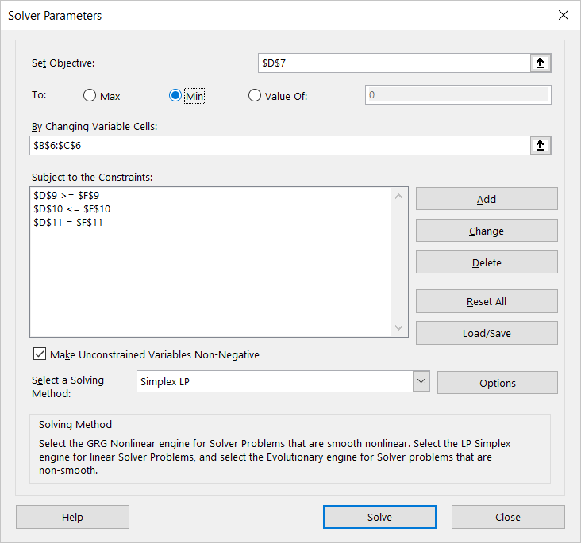


Variables | X | Y
Values | 4 | 2 | Min
O.F. | 10 | 4 | 48
subject to |  |  | LHS | Dir | RHS
C1 | 2 | 1 | 10 | >= | 10
C2 | 1 | 2 | 8 | <= | 12
C3 | 1 | -2 | 0 | = | 0

Exercise 2
Linear Programming Lecture Exercise 2.
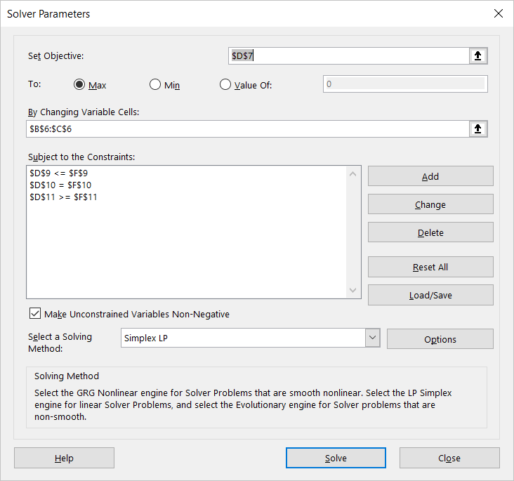

Variables | X | Y
Values | 9 | 1 | Max
O.F. | 10 | 4 | 94
subject to |  |  | LHS | Dir | RHS
C1 | 1 | 1 | 10 | <= | 10
C2 | 1 | 3 | 12 | = | 12
C3 | 3 | -1 | 26 | >= | 6

Graphing Values
 | X | Y
C1 | 10 | 0
 | 0 | 10
C2 | 12 | 0
 | 0 | 4
C3 | 2 | 0
 | 6 | 12
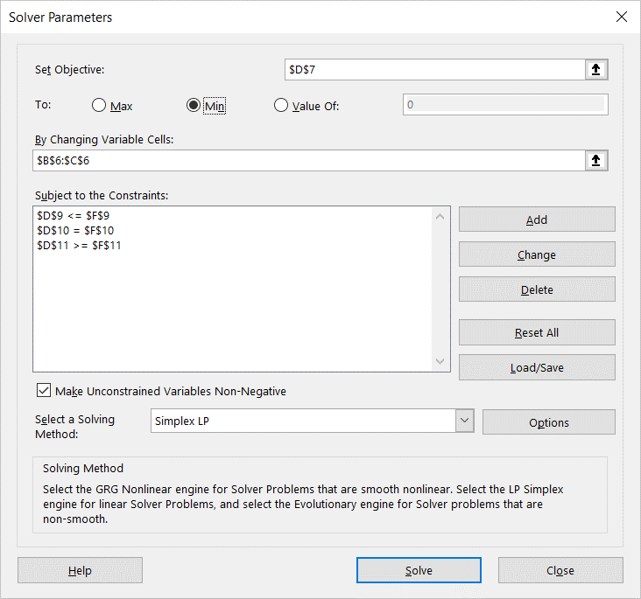

Variables | X | Y
Values | 3 | 3 | Min
O.F. | 10 | 4 | 42
subject to |  |  | LHS | Dir | RHS
C1 | 1 | 1 | 6 | <= | 10
C2 | 1 | 3 | 12 | = | 12
C3 | 3 | -1 | 6 | >= | 6

Example 4-Infeasible
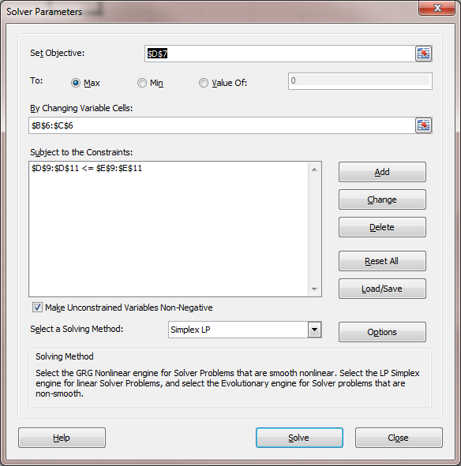
Linear Programming Lecture Example 4. Infeasible LP.
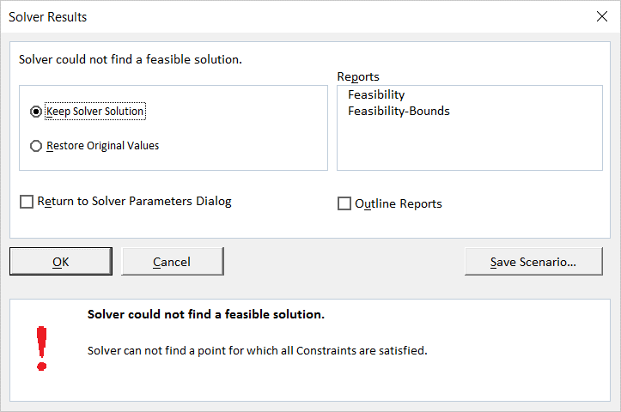
Product Mix.

Variables | Tables | Chairs | Values
Values | 0 | 0 | Max
Profit | 6 | 8 | 0
subject to |  |  | LHS | RHS
Wood) | 30 | 20 | 0 | 300
Labor) | 5 | 10 | 0 | 110
Order) | -1 | 0 | 0 | -24

Graphing Values
 | T | C |  | T | C |  | T | C
Wood: | 10 | 0 | Labor: | 22 | 0 | Order: | 24 | 0
 | 0 | 15 |  | 0 | 11 |  | 24 | 20
 | 4 | 9 |  | 4 | 9

Example 5-Unbounded LP
Linear Programming Lecture Example 5. Unbounded LP
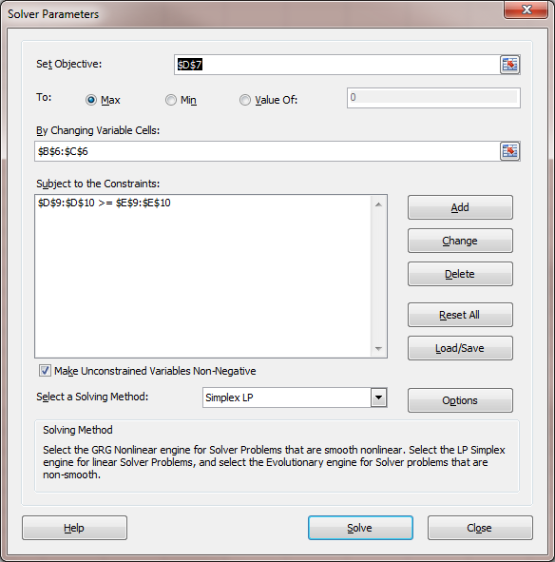
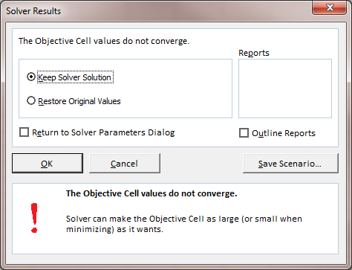
Product Mix.

Variables | Tables | Chairs | Values
Values | 0 | 0 | Max
Profit | 6 | 8 | 0
subject to |  |  | LHS | RHS
Wood) | 30 | 20 | 0 | 300
Labor) | 5 | 10 | 0 | 110

Graphing Values
 | T | C |  | T | C
Wood: | 10 | 0 | Labor: | 22 | 0
 | 0 | 15 |  | 0 | 11
 | 4 | 9 |  | 4 | 9

Example 6-Multiple Solutions
Linear Programming Lecture Example 6. Multiple Solutions.
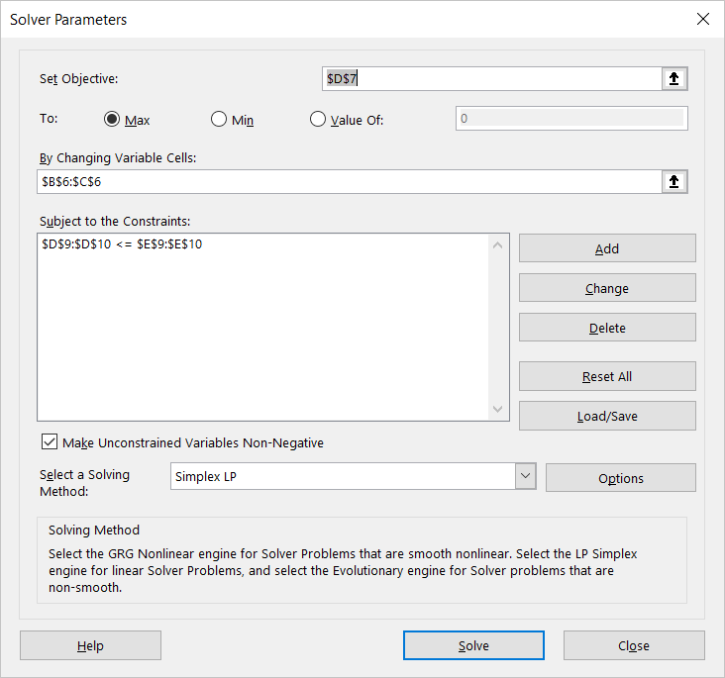
Product Mix.

Variables | Tables | Chairs | Values
Values | 0 | 11 | Max
Profit | 5 | 10 | 110
subject to |  |  | LHS | RHS
Wood) | 30 | 20 | 220 | 300
Labor) | 5 | 10 | 110 | 110

Graphing Values
 | T | C |  | T | C
Wood: | 10 | 0 | Labor: | 22 | 0
 | 0 | 15 |  | 0 | 11
 | 4 | 9 |  | 4 | 9

Example 7-Product Mix
Linear Programming Lecture Example 7. Product Mix.
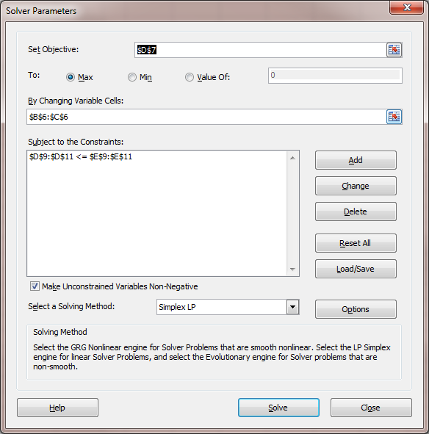
Product Mix.

Variables | Heavy | Light | Values
Values | 1000 | 2000 | Max
Profit | 900 | 600 | 2100000 |  | Slack or
subject to |  |  | LHS | RHS | Surplus
Machining | 2 | 1 | 4000 | 4000 | 0
Assembly | 1 | 2 | 5000 | 5000 | 0
Market | 1 | 1 | 3000 | 3500 | 500

Graphing Values
 | Heavy | Light |  | Heavy | Light |  | Heavy | Light
Machining: | 2000 | 0 | Assembly: | 5000 | 0 | Market: | 3500 | 0
 | 0 | 4000 |  | 0 | 2500 |  | 0 | 3500

Example 8-Ingredient Mix
Linear Programming Lecture Example 8. Ingredient Mix.

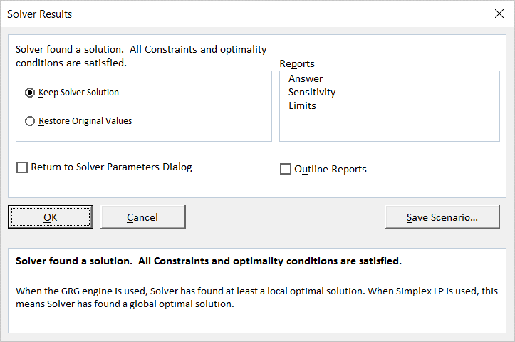
Ingredient Mix.

Variables | Corn | Oats | Values
Values | 15 | 17.5 | Min
Cost | 0.06 | 0.1 | 2.65 |  | Slack or
subject to |  |  | LHS | RHS | Surplus
Minerals | 100 | 200 | 5000 | 5000 | 0
Calories | 300 | 200 | 8000 | 8000 | 0
Vitamins | 200 | 100 | 4750 | 4000 | 750

Graphing Values
 | Corn | Oats |  | Corn | Oats |  | Corn | Oats
Minerals: | 50 | 0 | Calories: | 26.666666667 | 0 | Vitamins: | 20 | 0
 | 0 | 25 |  | 0 | 40 |  | 0 | 40

Example 9-Transportation
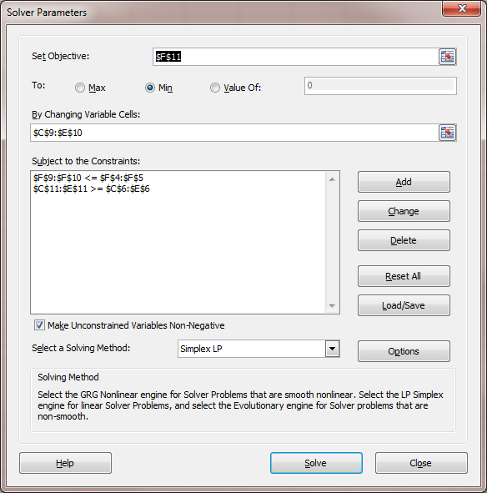
Linear Programming Example 9. Transportation.
 |  |  | Destination
 |  | 1 | 2 | 3 | Capacity
Source | A | 15 | 30 | 20 | 1000
 | B | 20 | 25 | 15 | 2000
 | Demand | 500 | 1500 | 1000

 | Values: | 1 | 2 | 3 | Sum
 | A | 500 | 0 | 500 | 1000
 | B | 0 | 1500 | 500 | 2000
 | Sum | 500 | 1500 | 1000 | 62500 | =Total Cost = SUMPRODUCT(C4:E5,C9:E10)

